Hiearchy View
CLASS: CONSOLE
piece of furniture specifically designed for closed-circuit television operators and security professionals. There is typically a base frame that holds security technology and equipment, storage space below the desk surface, an array that can hold multiple monitors | 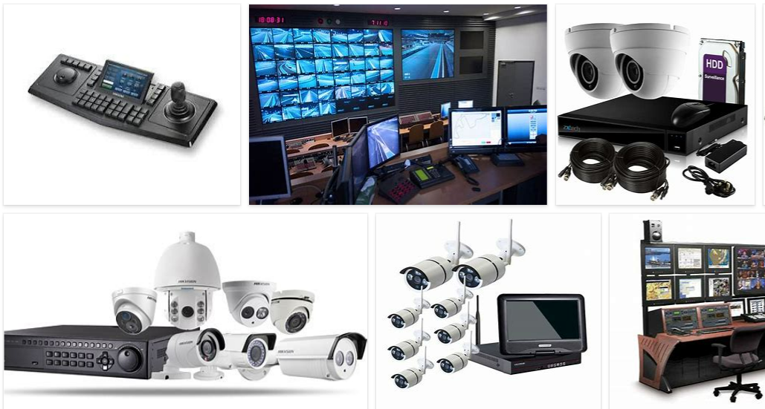
REMOVE | N

PROBLEM_DESC | CAUSE_DESC | REMEDY_DESC
ALARM/SENSOR
BROKEN/DAMAGED
OTHER PROBLEM
OVERHEATING
PESTS
POWER-ELEC
STOPPED/SLOWED/POOR OPS
TEMP-CTRL
VIBRATION
Grand Total

